Competitor Analysis
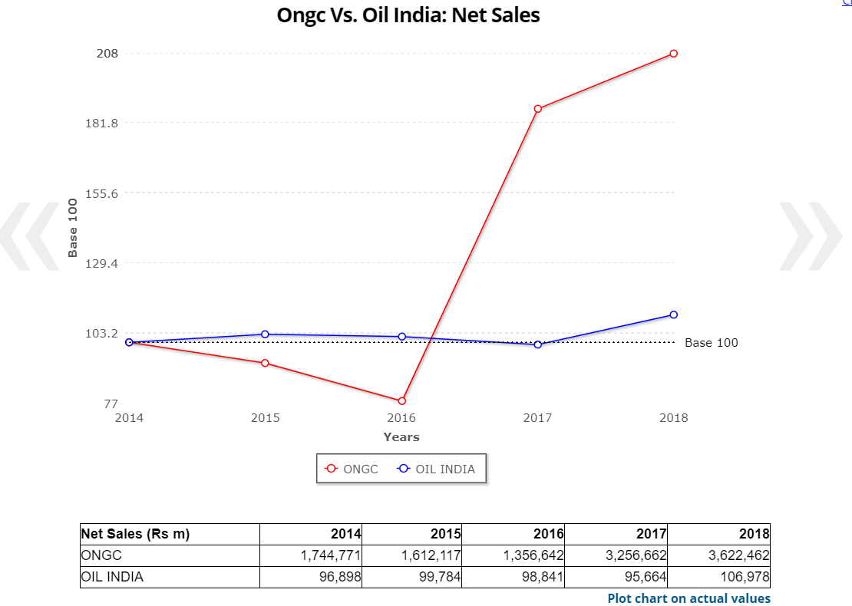
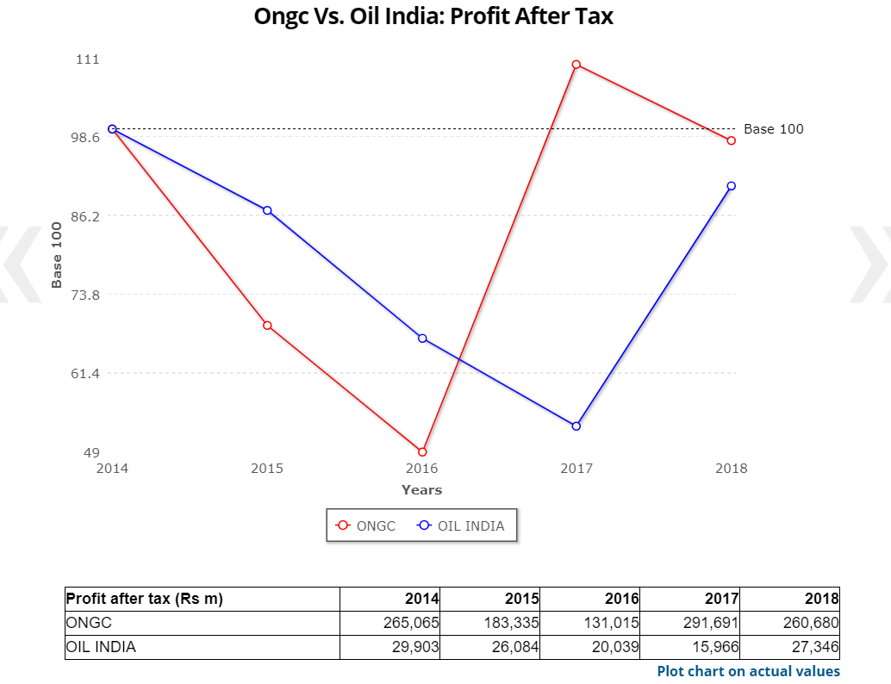
CURRENT VALUATIONS
 |  | ONGC | OIL INDIA | ONGC/
 |  |  |  | OIL INDIA
P/E (TTM) | x | 7.2 | 4.1 | 176.70%
P/BV | x | 1 | 0.5 | 196.10%
Dividend Yield | % | 4.1 | 7.6 | 54.80%
FINANCIALS
EQUITY SHARE DATA
 |  | ONGC | OIL INDIA | ONGC/
 |  | Mar-18 | Mar-18 | OIL INDIA
High | Rs | 213 | 389 | 54.70%
Low | Rs | 155 | 213 | 72.90%
Sales per share (Unadj.) | Rs | 282.3 | 141.4 | 199.60%
Earnings per share (Unadj.) | Rs | 20.3 | 36.1 | 56.20%
Cash flow per share (Unadj.) | Rs | 38.3 | 53.7 | 71.40%
Dividends per share (Unadj.) | Rs | 6.6 | 14 | 47.10%
Dividend yield (eoy) | % | 3.6 | 4.7 | 77.10%
Book value per share (Unadj.) | Rs | 159 | 383.7 | 41.40%
Shares outstanding (eoy) | m | 12,833.24 | 756.6 | 1696.20%
Bonus/Rights/Conversions |  | - | - | -
Price / Sales ratio | x | 0.7 | 2.1 | 30.60%
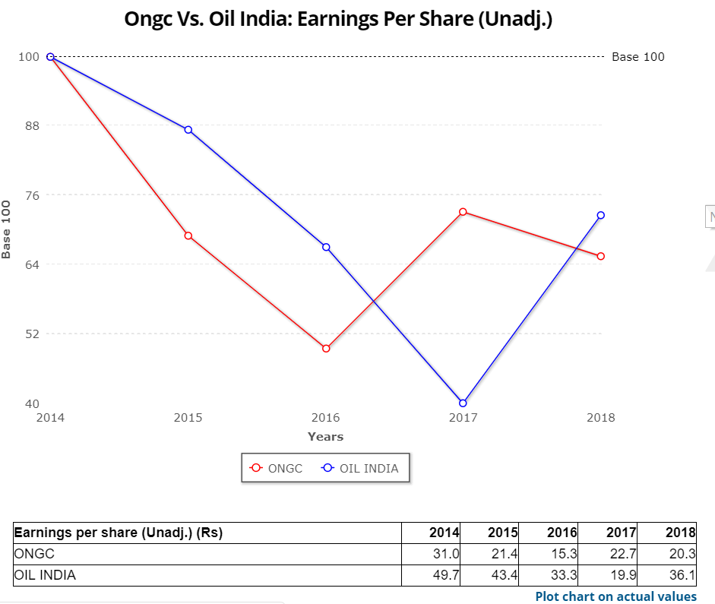
Avg P/E ratio | x | 9.1 | 8.3 | 108.80%
P/CF ratio (eoy) | x | 4.8 | 5.6 | 85.70%
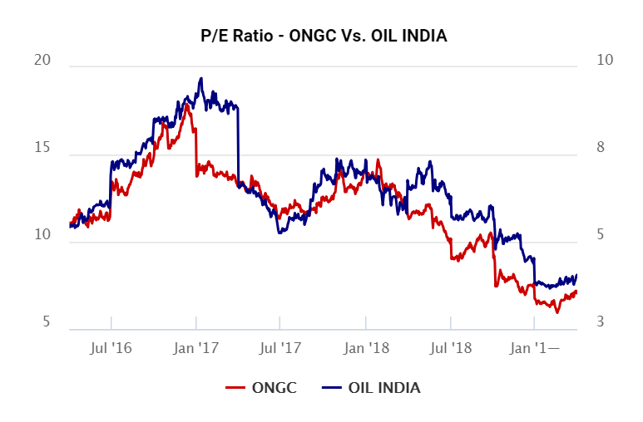
Price / Book Value ratio | x | 1.2 | 0.8 | 147.60%
Dividend payout | % | 32.5 | 38.7 | 83.90%
Avg Mkt Cap | Rs m | 2,362,599 | 227,737 | 1037.40%
No. of employees | `000 | 32.3 | 7 | 463.90%
Total wages/salary | Rs m | 121,123 | 16,933 | 715.30%
Avg. sales/employee | Rs Th | 112,272.20 | 15,381.40 | 729.90%
Avg. wages/employee | Rs Th | 3,754.00 | 2,434.60 | 154.20%
Avg. net profit/employee | Rs Th | 8,079.30 | 3,931.90 | 205.50%
INCOME DATA
Net Sales | Rs m | 3,622,462 | 106,978 | 3386.20%
Other income | Rs m | 74,682 | 10,101 | 739.40%
Total revenues | Rs m | 3,697,143 | 117,078 | 3157.80%
Gross profit | Rs m | 568,657 | 39,275 | 1447.90%
Depreciation | Rs m | 230,885 | 13,266 | 1740.40%
Interest | Rs m | 49,990 | 5,537 | 902.90%
Profit before tax | Rs m | 362,463 | 30,573 | 1185.60%
Minority Interest | Rs m | -119 | 0 | -
Prior Period Items | Rs m | 27,250 | 8,018 | 339.90%
Extraordinary Inc (Exp) | Rs m | 2,481 | 0 | -
Tax | Rs m | 131,395 | 11,245 | 1168.50%
Profit after tax | Rs m | 260,680 | 27,346 | 953.30%
Gross profit margin | % | 15.7 | 36.7 | 42.80%
Effective tax rate | % | 36.3 | 36.8 | 98.60%
Net profit margin | % | 7.2 | 25.6 | 28.20%
BALANCE SHEET DATA
Current assets | Rs m | 730,369 | 85,084 | 858.40%
Current liabilities | Rs m | 1,169,672 | 43,762 | 2672.80%
Net working cap to sales | % | -12.1 | 38.6 | -31.40%
Current ratio | x | 0.6 | 1.9 | 32.10%
Inventory Days | Days | 31 | 37 | 83.70%
Debtors Days | Days | 14 | 48 | 29.00%
Net fixed assets | Rs m | 2,257,629 | 133,085 | 1696.40%
Share capital | Rs m | 64,166 | 7,566 | 848.10%
"Free" reserves | Rs m | 1,976,023 | 282,734 | 698.90%
Net worth | Rs m | 2,040,189 | 290,300 | 702.80%
Long term debt | Rs m | 550,249 | 106,898 | 514.70%
Total assets | Rs m | 4,602,349 | 486,345 | 946.30%
Interest coverage | x | 8.3 | 6.5 | 126.50%
Debt to equity ratio | x | 0.3 | 0.4 | 73.20%
Sales to assets ratio | x | 0.8 | 0.2 | 357.80%
Return on assets | % | 6.8 | 6.8 | 99.80%
Return on equity | % | 12.8 | 9.4 | 135.60%
Return on capital | % | 17.1 | 11.1 | 153.60%
Exports to sales | % | 0 | 0 | -
Imports to sales | % | 0.5 | 0 | -
Exports (fob) | Rs m | NA | NA | -
Imports (cif) | Rs m | 19,453 | NA | -
Fx inflow | Rs m | 35,525 | 528 | 6723.00%
Fx outflow | Rs m | 188,699 | 9,031 | 2089.60%
Net fx | Rs m | -153,175 | -8,502 | 1801.60%
CASH FLOW
From Operations | Rs m | 582,926 | 39,331 | 1482.10%
From Investments | Rs m | -665,214 | 14,601 | -4556.00%
From Financial Activity | Rs m | 81,683 | -57,000 | -143.30%
Net Cashflow | Rs m | -967 | 124 | -781.60%
SHARE HOLDING
Indian Promoters | % | 68.9 | 67.6 | 101.90%
Foreign collaborators | % | 0 | 0 | -
Indian inst/Mut Fund | % | 10.6 | 8.4 | 126.60%
FIIs | % | 6.9 | 9.8 | 70.60%
ADR/GDR | % | 0 | 0 | -
Free float | % | 13.6 | 14.2 | 95.80%
Shareholders |  | 473,750 | 112,961 | 419.40%
Pledged promoter(s) holding | % | 0 | 0 | -

